Income Decile
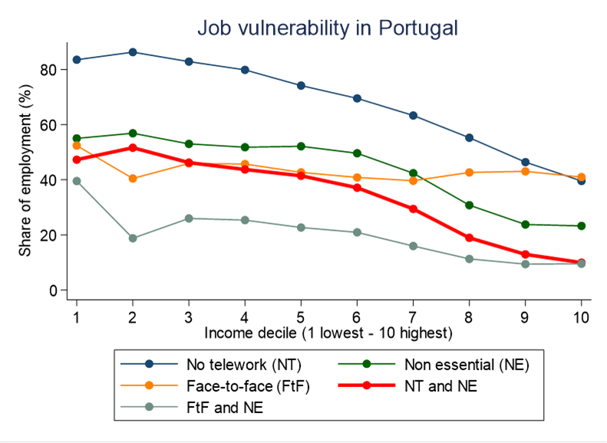
Income Decile | No home-based | Shutdown sectors | Non essential | Face-to-face | No HB & Non essen | FtF & Non essential | Replaceability | Worker's Wage Quantile | Average Rate of Replaceable Workers per Wage Decile
1 | 0.8252 | 0.2189 | 0.4547 | 0.2874 | 0.3668 | 0.1982 | 0.3153509 | 1st | 0.3153509
2 | 0.8189 | 0.3288 | 0.5141 | 0.3485 | 0.4316 | 0.2728 | 0.3713849 | 2nd | 0.3713849
3 | 0.8609 | 0.3733 | 0.577 | 0.2507 | 0.5189 | 0.1872 | 0.4184892 | 3rd | 0.4184892
4 | 0.8109 | 0.2388 | 0.4333 | 0.3189 | 0.3577 | 0.1783 | 0.3797188 | 4th | 0.3797188
5 | 0.7965 | 0.225 | 0.4239 | 0.3104 | 0.3496 | 0.1662 | 0.3979967 | 5th | 0.3979967
6 | 0.7661 | 0.2052 | 0.4092 | 0.3031 | 0.323 | 0.1619 | 0.3739133 | 6th | 0.3739133
7 | 0.6685 | 0.1963 | 0.4236 | 0.2896 | 0.3072 | 0.1612 | 0.4007962 | 7th | 0.4007962
8 | 0.5936 | 0.1781 | 0.3838 | 0.3342 | 0.2489 | 0.15 | 0.3750479 | 8th | 0.3750479
9 | 0.4976 | 0.1383 | 0.3127 | 0.4339 | 0.1619 | 0.1336 | 0.3308955 | 9th | 0.3308955
10 | 0.3048 | 0.1434 | 0.2869 | 0.5184 | 0.093 | 0.1542 | 0.2737462 | 10th | 0.2737462
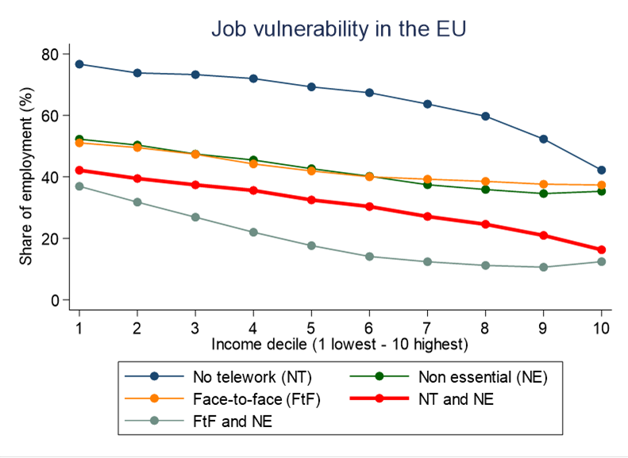
 |  |  |  |  |  |  | 0.224282 | Undefined | 0.224282

Educational level
 | No home-based | Non essential | Face-to-face | No HB & Non essential | FtF & Non essential | Shutdown sectors
< Upper secundary | 0.8316 | 0.4446 | 0.2766 | 0.3837 | 0.1644 | 0.2467
Upper secundary | 0.628 | 0.4606 | 0.4117 | 0.3138 | 0.2372 | 0.2611
Tertiary | 0.3067 | 0.313 | 0.567 | 0.0944 | 0.1905 | 0.1321

Age Group
 | No home-based | Non essential | Face-to-face | No HB & Non essential | FtF & Non essential | Shutdown sectors | Replaceability
15-19 | 0.91 | 0.63 | 0.3669 | 0.5741 | 0.3197 | 0.3521 | 0.47 | Below 18 | 47%
20-24 | 0.82 | 0.5765 | 0.3651 | 0.4917 | 0.279 | 0.3201 | 0.39 | 18 - 30 | 39%
25-29 | 0.70 | 0.4792 | 0.3859 | 0.3625 | 0.2282 | 0.2637 | 0.35 | 31-40 | 35%
30-39 | 0.64 | 0.4161 | 0.401 | 0.2877 | 0.193 | 0.2218 | 0.35 | 41-50 | 35%
40-49 | 0.63 | 0.4015 | 0.3668 | 0.2782 | 0.1702 | 0.2124 | 0.34 | 51 - 60 | 34%
50-64 | 0.68 | 0.3809 | 0.345 | 0.2746 | 0.1614 | 0.2077 | 0.30 | 61 - 68 | 30%
 |  |  |  |  |  |  |  | Over 68 | 30%

Type of Contract
 | Shutdown sectors | No home-based | Face-to-face | Non essential | No HB & Non essential | FtF & Non essential | Replaceability
Open-ended contract | 0.2148 | 0.6583 | 0.3491 | 0.3813 | 0.2767 | 0.1591 | 0.36 | Open-ended contract | 36%
Fixed-term contract | 0.2899 | 0.7596 | 0.3417 | 0.5019 | 0.4045 | 0.2322 | 0.37 | Fixed-term contract | 37%
Unspecified duration contract | 0.0682 | 0.7765 | 0.2495 | 0.4822 | 0.3559 | 0.1316 | 0.34 | Contract with uncertain term | 34%
Other | 0.2438 | 0.7067 | 0.3413 | 0.442 | 0.3244 | 0.2229 | 0.33 | Other Situation | 33%
 |  |  |  |  |  |  |  | Unknown | 22%
 | Open-ended contract | Fixed-term contract
Shutdown sectors | 0.2148 | 0.2899
No home-based | 0.6583 | 0.7596
Face-to-face | 0.3491 | 0.3417
Non essential | 0.3813 | 0.5019
Replaceability | 0.3645792 | 0.3675575

Gender
 | Shutdown sectors | No home-based | Face-to-face | Non essential | No HB & Non essential | FtF & Non essential | Replaceability | Worker's Gender | Index of Face-to-Face Interractions
Male | 0.1869 | 0.68 | 0.3436 | 0.3961 | 0.2866 | 0.1696 | 0.32 | Males | 32%
Female | 0.2752 | 0.66 | 0.4108 | 0.454 | 0.3286 | 0.215 | 0.39 | Females | 39%

 | Male | Female
Shutdown sectors | 0.19 | 0.28
No home-based | 0.68 | 0.66
Face-to-face | 0.34 | 0.41
Non essential | 0.40 | 0.45
Replaceability | 0.32 | 0.39

Nationality
 | Shutdown sectors | No home-based | Face-to-Face | Non essential | No HB & Non essen | FtF & Non essential
Portuguese | 0.2245 | 0.6618 | 0.7445 | 0.4186 | 0.3017 | 0.188
Not Portuguese | 0.3053 | 0.7565 | 0.8072 | 0.5018 | 0.3764 | 0.2483

